Weekly Progress Report
MODON - Weekly Progress Report - Construction Projects |  |  |  |  |  |  |  |  |  |  |  |  |  |  |  |  |  |  |  |  |  |  |  |  |  |  |  |  |  |  | Data Date | 5-Oct-26
Contract General Information |  |  |  |  |  | Key Dates |  |  |  |  |  | Cost Summary (SR) |  |  |  |  |  |  |  | Performance Summary |  |  |  |  |  | Project Scope
Project Name | ADDITIONAL DEVELOPMENT IN TABOUK INDUSTRIAL CITY |  |  |  |  | Contract Award | 13-Aug-25 | Contract Award (Hijri) | 13/08/2025 | Revised Completion | 3-Sep-27 | Original Contract Value |  | 140,467,862 |  | O&M Value (if any) |  | 0 |  | Plan Value | 36.95% | Phys. Plan Value | 34.02% | Quality Score | 93.0% | The project consists of roads works and the POND A which works as a downstream for the storm water wet utility piping network including manholes and catch basins, continued project wet utilities also sewerage GRP piping network with manholes, potable water and firefighting compound HDPE piping network including the installation of valves and fire hydrants and the irrigation water (TSE) network with all valves and the flow meter, dry utility represented in electrical road lighting network - the installation of poles and the LV cables which is connected to the panel board and the 13.8/0.4 K V unit substation.
Project ID | TAB1-02-003 |  | Stage | INFRASTRUCTURE & UTILITIES |  | Contract Sign | 31-Aug-25 | Contract Sign (Hijri) | 31/08/2025 | Committed Completion | 3-Sep-27 | Revised Contract Value |  | 140,467,862 |  | Submitted Invoices (Gross Value) |  | 43,497,867 |  | Earn Value | 46.89% | Phys. Earn Value | 48.55% |  | ¢¢¢¢¢ ¢¢¢¢£
Contractor | ASAS for Developing & Operating Industrial Cities |  | Status | Active |  | Site Handover | 4-Sep-25 | Site Handover (Hijri) | 04/09/2025 | Forecast Completion | 2-Oct-27 | Estimate At Completion Value |  | 140,467,862 |  | Penalities |  | 58,000 |  | Variance | 9.9% | Variance | 14.5% | Safety Score | 94.6%
Consultant | EGIS |  | Modon PM | ENG/ YAZEED ALRAGABAH |  | Original Completion | 3-Sep-27 | Original Completion (Hijri) | 03/09/2027 | Variance | (29) | Potential Changes |  | 0 |  | FIR Value (THIS WEEK) |  | 49,536,100 |  | FIR % | 35% | Invoiced % | 31% |  | ¢¢¢¢¢ ¢¢¢¢£

Progress Overview
Earned Value Progress (SAR) |  |  |  |  |  |  |  |  |  |  |  |  |  | Physical Progress (Effort) |  |  |  |  |  |  |  |  |  |  |  | Earned Value Progress (%)
WBS |  | BOQ Value (SAR) | % Wt. | Weekly (SAR) |  | To Date (SAR) |  |  |  |  |  |  |  | Budgeted | % Wt. | Weekly Physical Progress |  |  |  | To Date Physical Progress
 |  |  |  | Planned | Earned | Original Plan | Revised Planned | Earned | Original Plan % | Revised Planned % | Earned % | Variance | SPI | (Manhours) |  | Planned | Earned | Plan % | Earned % | Planned | Earned | Plan % | Earned % | Variance | SPI
MILESTONS |  | - | 0.0% | - | - | - | - | - | 0.0% | 0.0% | 0.0% | 0.0% |  | - | 0.0% | - | - | 0.0% | 0.0% | - | - | 0.0% | 0.0% | 0.0%
MOBILIZATION |  | - | 0.0% | - | - | - | - | - | 0.0% | 0.0% | 0.0% | 0.0% |  | 1,600 | 0.5% | - | - | 0.0% | 0.0% | 1,600 | 1,600 | 100.0% | 100.0% | 0.0% | 1.00
ENGINEERING |  | 4,214,035 | 3.0% | - | - | 4,214,035.00 | 4,214,035.00 | 4,214,035.86 | 100.0% | 100.0% | 100.0% | 0.0% | 1.00 | - | 0.0% | - | - | 0.0% | 0.0% | - | - | 0.0% | 0.0% | 0.0%
PROCUREMENT |  | 28,093,572 | 20.0% | 199,021.62 | - | 21,353,231.77 | 14,863,212.17 | 17,030,315.65 | 76.0% | 52.9% | 60.6% | 7.7% | 1.15 | - | 0.0% | - | - | 0.0% | 0.0% | - | - | 0.0% | 0.0% | 0.0%
CONSTRUCTION WORKS |  | 94,113,469 | 67.0% | 373,154.33 | 600,872.91 | 57,322,787.15 | 32,825,234.38 | 44,625,184.51 | 60.9% | 34.9% | 47.4% | 12.5% | 1.36 | 347,187 | 98.0% | 2,296 | 2,919 | 0.7% | 0.8% | 118,954 | 170,422 | 34.3% | 49.1% | 14.8% | 1.43
ZONE 01 |  | 18,023,708 | 12.8% | 84,426.05 | 110,171.62 | 15,946,487.31 | 10,061,529.48 | 11,756,509.92 | 88.5% | 55.8% | 65.2% | 9.4% | 1.17 | 74,705 | 21.1% | 714 | 1,080 | 1.0% | 1.4% | 28,223 | 41,425 | 37.8% | 55.5% | 17.7% | 1.47
ZONE 02 |  | 24,418,268 | 17.4% | 99,957.83 | 200,481.63 | 16,454,735.19 | 9,237,285.45 | 14,479,525.74 | 67.4% | 37.8% | 59.3% | 21.5% | 1.57 | 89,699 | 25.3% | 586 | 411 | 0.7% | 0.5% | 39,539 | 61,620 | 44.1% | 68.7% | 24.6% | 1.56
ZONE 03 |  | 51,671,493 | 36.8% | 188,770.45 | 290,219.65 | 24,921,564.64 | 13,526,419.45 | 18,389,148.85 | 48.2% | 26.2% | 35.6% | 9.4% | 1.36 | 182,783 | 51.6% | 997 | 1,428 | 0.5% | 0.8% | 51,193 | 67,377 | 28.0% | 36.9% | 8.9% | 1.32
CLOSE OUT |  | 14,046,786 | 10.0% | - |  | 4,136,347.57 | - | - | 29.4% | 0.0% | 0.0% | 0.0% |  | 5,552 | 1.6% | - | - | 0.0% | 0.0% | - | - | 0.0% | 0.0% | 0.0%
0
 | Total | 140,467,862 | 100.0% | 572,175.95 | 600,872.91 | 87,026,401.49 | 51,902,481.55 | 65,869,536.02 | 61.95% | 36.95% | 46.89% | 9.94% | 1.27 | 354,339 | 100.0% | 2,296 | 2,919 | 0.65% | 0.82% | 120,554 | 172,022 | 34.02% | 48.55% | 14.53% | 1.43
Earned Value - Cost
 | Baseline Plan | Revised / Recovery Plan | Earned Value | Forecast | Gross Paid Value
Sep-25 | 2.07% | 0.7% | 0.71%
Oct-25 | 4.76% | 2.2% | 2.13% |  | 2.00%
Nov-25 | 7.43% | 5.2% | 5.00% |  | 2.89%
Dec-25 | 11.17% | 8.9% | 8.50% |  | 4.21%
Jan-26 | 15.18% | 13.2% | 11.90% |  | 6.28%
Feb-26 | 19.90% | 17.5% | 14.84% |  | 8.07%
Mar-26 | 25.20% | 21.2% | 17.79% |  | 10.65%
Apr-26 | 31.53% | 28.4% | 22.95% |  | 14.91%
May-26 | 37.38% | 31.5% | 28.75% |  | 17.04%
Jun-26 | 43.30% | 32.4% | 35.13% |  | 21.25%
Jul-26 | 49.30% | 33.2% | 39.46% |  | 24.79%
Aug-26 | 54.86% | 34.7% | 43.54% |  | 28.90%
Sep-26 | 61.04% | 36.8% | 46.47% |  | 30.97%
Oct-26 | 66.90% | 38.9% | 46.89% | 46.9%
Nov-26 | 72.05% | 41.0% |  | 49.5%
Dec-26 | 76.80% | 43.4% |  | 51.4%
Jan-27 | 81.85% | 47.0% |  | 53.8%
Feb-27 | 85.94% | 50.8% |  | 58.3%
Mar-27 | 89.31% | 58.2% |  | 62.5%
Apr-27 | 91.78% | 68.7% |  | 71.3%
May-27 | 94.29% | 78.9% |  | 79.7%
Jun-27 | 97.01% | 87.0% |  | 89.0%
Jul-27 | 99.16% | 94.4% |  | 94.1%
Aug-27 | 100.00% | 99.8% |  | 98.5%
Sep-27 | 100.00% | 100.0% |  | 100.0%
Oct-27
Physical Progress - Effort
 | Baseline Plan | Revised / Recovery Plan | Earned Effort % | Forecast
Sep-25 | 0.8% | 0.8% | 0.9%
Oct-25 | 2.3% | 2.3% | 2.3%
Nov-25 | 3.8% | 4.3% | 4.0%
Dec-25 | 6.9% | 6.3% | 5.8%
Jan-26 | 10.7% | 8.9% | 7.5%
Feb-26 | 14.7% | 11.8% | 9.7%
Mar-26 | 19.3% | 14.3% | 11.9%
Apr-26 | 24.0% | 21.5% | 16.5%
May-26 | 29.2% | 26.4% | 23.4%
Jun-26 | 34.5% | 27.6% | 34.8%
Jul-26 | 40.4% | 28.0% | 35.7%
Aug-26 | 48.0% | 29.1% | 41.5%
Sep-26 | 56.1% | 32.0% | 45.2%
Oct-26 | 64.2% | 35.7% | 46.0% | 46.0%
Nov-26 | 71.3% | 38.9% |  | 50.3%
Dec-26 | 77.9% | 43.1% |  | 53.9%
Jan-27 | 82.6% | 48.3% |  | 57.6%
Feb-27 | 86.0% | 53.5% |  | 61.8%
Mar-27 | 89.3% | 65.0% |  | 71.7%
Apr-27 | 92.3% | 76.0% |  | 79.3%
May-27 | 95.4% | 85.1% |  | 88.2%
Jun-27 | 98.3% | 92.6% |  | 95.9%
Jul-27 | 99.8% | 98.2% |  | 99.3%
Aug-27 | 100.0% | 99.9% |  | 99.9%
Sep-27 | 100.0% | 100.0% |  | 100.0%
Oct-27
 |  |  |  |  |  |  |  |  |  |  |  |  |  |  |  |  |  |  |  |  |  |  |  |  |  | Construction Milestones
 |  |  |  |  |  |  |  |  |  |  |  |  |  |  |  |  |  |  |  |  |  |  |  |  |  | Item No. | Milestones |  | Original (Baseline) | Latest Plan | Forecast | Status | Days Change
 |  |  |  |  |  |  |  |  |  |  |  |  |  |  |  |  |  |  |  |  |  |  |  |  |  | 1 | Award Date |  | 13-Aug-25 | 13-Aug-25 | 13-Aug-25 | A | 0
 |  |  |  |  |  |  |  |  |  |  |  |  |  |  |  |  |  |  |  |  |  |  |  |  |  | 2 | Contract Sign Date |  | 31-Aug-25 | 31-Aug-25 | 31-Aug-25 | A | 0
 |  |  |  |  |  |  |  |  |  |  |  |  |  |  |  |  |  |  |  |  |  |  |  |  |  | 3 | Site Handover Date |  | 4-Sep-25 | 4-Sep-25 | 4-Sep-25 | A | 0
 |  |  |  |  |  |  |  |  |  |  |  |  |  |  |  |  |  |  |  |  |  |  |  |  |  | 4 | Complete Mobilization |  | 10-Aug-27 | 23-Aug-27 | 30-Aug-27 | F | (7)
 |  |  |  |  |  |  |  |  |  |  |  |  |  |  |  |  |  |  |  |  |  |  |  |  |  | 7 | Complete ZONE 1 |  | 9-Feb-27 | 30-Sep-27 | 2-Oct-27 | F | (2)
 |  |  |  |  |  |  |  |  |  |  |  |  |  |  |  |  |  |  |  |  |  |  |  |  |  | 8 | Complete ZONE 2 |  | 2-Aug-27 | 9-Aug-27 | 16-Aug-27 | F | (7)
 |  |  |  |  |  |  |  |  |  |  |  |  |  |  |  |  |  |  |  |  |  |  |  |  |  | 9 | Complete ZONE 3 |  | 2-Aug-27 | 26-Sep-27 | 27-Sep-27 | F | (1)
 |  |  |  |  |  |  |  |  |  |  |  |  |  |  |  |  |  |  |  |  |  |  |  |  |  | 10 | Complete all Works including Testing & Commissioning, Cleanup, Closeout Documentation and Ready for Initial Handover |  | 10-Aug-27 | 12-Sep-27 | 13-Sep-27 | F | (1)
 |  |  |  |  |  |  |  |  |  |  |  |  |  |  |  |  |  |  |  |  |  |  |  |  |  | 11 | Complete Demobilization |  | 3-Sep-27 | 30-Sep-27 | 2-Oct-27 | F | (2)
 |  |  |  |  |  |  |  |  |  |  |  |  |  |  |  |  |  |  |  |  |  |  |  |  |  | 12 | Project Handover |  | 3-Sep-27 | 30-Sep-27 | 2-Oct-27 | F | (2)
Project Status Score
 | Max | Score
SPI (Physical Effort) | 100% | 143%
SPI (Cost) | 100% | 127%
On Schedule -Active | 100% | 100%
Manpower Availability | 100% | 282%
Major Equipment Availability | 100% | 150%
Billing % Compared to Planned | 100% | 79%
Safety Score | 100% | 87%
Quality Score | 100% | 0%
Actual Invoices
 | Monthly Gross Value
 | 2,814,914.75
 | 1,250,224.29
 | 1,853,260.00
 | 2,906,476.00
 | 2,508,482.00
 | 3,628,041.39
 | 5,980,688.00
 | 2,989,995.00
 | 5,921,775.00
 | 4,968,932.00
 | 3,091,936.00
 | 2,678,671.00

3,345,990

Performance overview
Submittals Status |  |  |  |  |  |  |  |  |  |  | Quality |  |  |  |  |  |  |  |  |  |  | Safety
Shop Drawings |  |  |  |  |  |  |  |  |  |  | Quality Reports |  |  |  |  |  |  |  |  |  |  | Safety Statistics |  |  |  |  |  |  |  | Proactive Vs Reactive Actions Taken
Item Per WBS |  | Total | Total Submitted Drawings |  |  |  |  | Remaining | Pending | Total Submittals | Quality Reports |  | Issued | Closed | Pending | Avg. Closing (Days) | Pending |  |  |  |  | Category | Item |  | This Week |  | This Month | Year to Date | Cumulative
 |  |  | A | B | C | D | Processed |  |  |  |  |  |  |  |  |  | 0-10 Days | 11-20 Days | 21-30 Days | 31-60 Days | > 60 Days
Electrical Network - Road Lighting |  | 102 | 33 | 69 | 0 | 0 | 102 |  |  | 102 |  |  |  |  |  |  |  |  |  |  |  | General | Total Hours Worked |  | 10,980 |  | 10,980 | 361,964 | 361,964 |  |  | Proactive | 61
Potable Water Network |  | 53 | 50 | 3 | 0 | 0 | 53 |  |  | 53 | Non Conformance (NCR) |  | 11 | 11 | 0 | 5 | 0 | 0 | 0 | 0 | 0 |  | Safe Hours Worked |  | 6,360 |  | 10,980 | 361,964 | 361,964 |  |  | Reactive | 0
TSE Network |  | 50 | 0 | 50 | 0 | 0 | 50 | 0 |  | 50 | Site Instruction (SIR) |  | 20 | 20 | 0 | 5 | 2 | 0 | 0 | 0 | 0 | Reactive | LTI |  | 0 |  | 0 | 0 | 0
Sewerage Network |  | 25 | 25 | 0 | 0 | 0 | 25 | 0 |  | 27 | Material Inspection (MIR) |  | 220 | 219 | 1 | 2 | 1 | 0 | 0 | 0 | 0 |  | MTC (Healed w/o Disability) |  | 0 |  | 0 | 0 | 0
Storm Water Network |  | 25 | 41 | 33 | 2 | 0 | 25 | 0 |  | 35
ROAD |  | 45 | 37 | 122 | 2 | 0 | 45 |  |  | 161 | Field Inspection (FIR) |  | 6,434 | 6,334 | 100 | 2 | 1 | 0 | 0 | 0 | 0 |  | MTC (Healed w/ Disability) |  | 0 |  | 0 | 0 | 0
TOTAL |  | 300 | 186 | 277 | 4 | 0 | 300 | 0 | 0 | 428 | Key Submittals Approval Status |  |  |  |  |  |  |  |  |  |  |  | Near Miss |  | 0 |  | 0 | 0 | 0
Material Approval |  |  |  |  |  |  |  |  |  |  | 1 Quality Plan Approval |  |  | 2-Nov-25 |  | 6 Baseline Approval |  |  |  | 3-Nov-25 |  |  | First Aid Cases |  | 0 |  | 0 | 0 | 0 | Total Hours Worked Vs Safe Hours Worked
Item Per WBS |  | Total | Total Submitted Material |  |  |  |  | Remaining to approve | Pending | Total Submittals | 2 Quality Plan Last Up |  |  | 2-Nov-25 |  | 7 No of Approved Version of Schedule |  |  |  | 2 |  |  | Fatality |  | 0 |  | 0 | 0 | 0
 |  |  | A | B | C | D | Processed |  |  |  | 3 Safety Plan Approval |  |  | 20-Oct-25 |  | 8 Last Approved Schedule |  |  |  | 3-Nov-25 |  |  | Fire Incident Cases |  | 0 |  | 0 | 0 | 0
Electrical Network - Road Lighting |  |  | 0 | 26 | 0 | 0 | 25 | 0 | 0 | 26 | 4 Safety Plan Last Up |  |  | 20-Oct-25 |  | 9 BOQ Approval Date |  |  |  | 0 |  |  | Vehicle Incident |  | 0 |  | 0 | 0 | 0
Potable Water Network |  | 0 | 0 | 6 | 0 | 0 | 5 | 0 | 1 | 6 | 5 Construction Plan Approval |  |  | #REF! |  | 10 No of Approved Version of BOQ |  |  |  | 0 |  |  | Property Damages |  | 0 |  | 0 | 0 | 0
TSE Network |  | 0 | 0 | 6 | 0 | 0 | 6 | 0 | 0 | 6 | Invoices Summary |  |  |  |  |  |  |  |  |  |  | Proactive | Induction Training |  | 0 |  | 0 | 7 | 8
Sewerage Network |  | 0 | 0 | 7 | 0 | 0 | 6 | 0 | 0 | 7 | Total Submitted Invoices |  | 13 | Submitted Invoices (SAR) |  |  | 43,497,867 |  | Contract Value (SR) | 140,467,862 |  |  | No.of Internal Training |  | 1 |  | 1 | 18 | 18
Storm Water Network |  | 0 | 0 | 7 | 0 | 0 | 6 | 0 | 0 | 7 | PM Approved Invoices |  | 9 | PM Approved Invoices (SAR) |  |  | 29,853,856 |  | Planned Value (SR) | 51,902,482 |  |  | No.of Internal Audit |  | 0 |  | 0 | 0 | 0
TOTAL |  | 0 | 0 | 52 | 0 | 0 | 48 | 0 | 1 | 52 | No of Paid Invoices |  | 9 | Paid Invoices (SAR) |  |  | 34,389,935 |  | Earned Value (SR) | 65,869,536 |  |  | No. of Toolbox Talks |  | 1 |  | 1 | 35 | 35
Procurement Summary |  |  |  |  |  |  |  |  |  |  | No of Pending Invoices |  | 0 | Last Submitted Period |  |  | 30-Sep-26 |  | Submitted (SAR) | 43,497,867 |  |  | Safety Awards/Incentives |  | 0 |  | 0 | 0 | 0
Item Per WBS |  | Total Materials | Total Number of P.O. | Actual P.O. To Date | Remaining P.O | Material on Site | Remaining Materials | Material Delivery Completion (Date) |  |  | Advance Payment % |  | 10% | Advance Payment (SAR) |  |  | 14,046,786 |  | PM Approved (SAR) | 29,853,856 |  | Latest Contract Change Order Log
 |  |  |  |  |  |  |  |  |  |  | Retention % |  | 0% | Retention (SAR) |  |  | 0 |  | Total Paid (SAR) | 34,389,935
Electrical Network - Road Lighting |  | 9 | 9 | 7 | 2 | 8000 | 0 |  |  |  | Deduction / Penalties % |  | 0% | Deduction / Penalties (SAR) |  |  | 58,000 |  |  |  |  | CCO No. | Date Added | Description of Change |  |  |  |  | Status | Cost | Sch Impact (Months) | Date Approved | Duration
Potable Water Network |  | 3 | 3 | 3 | 0 | 6474 | 6248 |  |  |  | Resources at Site
TSE Network |  | 2 | 2 | 2 | 0 | 6474 | 6248 |  |  |  | Head Count - Non Manual |  |  |  | Head Count - Manual |  |  |  | Total Head Count |  |  | 0 | 0 | 0 |  |  |  |  | 0 | 0 | 0 | 0 | 0
Sewerage Network |  | 2 | 2 | 2 | 0 | 7045 | 275 |  |  |  | Planned | Actual | Next Month Forecast | Saudi Staff | Planned | Actual | Next Month Forecast | Saudi Staff | Total Plan | Total Actual | Variance
Storm Water Network |  | 6 | 6 | 6 | 0 | 16049 | 136 |  |  |  | 28 | 32 | 28 | 4 | 141 | 398 | 63 | 0 | 169 | 430 | 261
TOTAL |  | 29 | 29 | 27 | 2 | 45,142 | 12,907 |  |  |  | Manpower Breakdown by Trade |  |  |  |  |  |  | Major Equipment
 | Plan - Monthly | Actual - Monthly | Forecast - Monthly
Sep-25 | 18 | 26
Oct-25 | 27 | 37
Nov-25 | 36 | 41
Dec-25 | 37 | 63
Jan-26 | 50 | 83
Feb-26 | 60 | 83
Mar-26 | 47 | 85
Apr-26 | 136 | 92
May-26 | 89 | 100
Jun-26 | 34 | 172
Jul-26 | 9 | 176
Aug-26 | 24 | 188
Sep-26 | 57 | 192
Oct-26 | 69 | 183
Nov-26 | 63 |  | 63
Dec-26 | 76 |  | 76
Jan-27 | 102 |  | 102
Feb-27 | 121 |  | 121
Mar-27 | 203 |  | 203
Apr-27 | 197 |  | 197
May-27 | 169 |  | 169
Jun-27 | 134 |  | 134
Jul-27 | 108 |  | 108
Aug-27 | 40 |  | 40
Sep-27 | 32 |  | 32
Primavera P6 Schedule Status |  |  |  |  |  |  |  |  |  |  | Key Trade | Planned | Actual |  |  |  |  | Type | Planned | Actual | Idle
Project Activities Overview |  |  |  |  |  |  |  |  |  |  | General Labor | 13 | 79 |  |  |  |  | Excavator | 15 | 24 | 0
Schedule Statistics |  |  |  |  | Active Schedule Activities |  |  |  |  |  | Carpenter | 0 | 18 |  |  |  |  | Loader | 1 | 3 | 0 | Major Quantity Trackers
Total Act. | Not Started | In Progress | Completed | % | Active | Ahead | On | Behind | Flag | 0 | Plumber | 5 | 11 |  |  |  |  | Dozer | 1 | 1 | 0 | BOQ N0. | Item Description |  |  |  |  | Total Qty | Measu Unit | Plan to Date | Act to Date | Remaining | Variance
1,492 | 729 | 199 | 564 | 37.80% | 199 | 183 | 16 | 0 | 199 |  | OPERATOR | 19 | 45 |  |  |  |  | Dump truck | 16 | 10 | 0 | 31 22 00 05 | POND Excavation |  |  |  |  | 321070.00 | M3 | 296255.00 | 296255.00 | 24815.00 | 0.00
Critical Path Activities |  |  | Free Float Management (Total) |  |  |  | Failed Start Activities |  |  |  | Steel Fixer | 0 | 10 |  |  |  |  | Water tanker | 2 | 3 | 0 | 31 22 00 01 | ROAD Excavation |  |  |  |  | 99925.00 | M3 | 99925.00 | 93475.00 | 6450.00 | -6450.00
 |  |  | Greater Than 14 Days |  | Less Than 14 Days |  |  |  |  |  | Driver | 18 | 16 |  |  |  |  | Grader | 1 | 2 | 0 | 31 22 00 02 | ROAD BACKFILL |  |  |  |  | 107100.00 | M3 | 107100.00 | 81600.00 | 25500.00 | -25500.00
 |  |  |  |  |  |  |  |  |  |  | Milling | 1 | 1 |  |  |  |  | MILLING MACHINE | 1 | 1 | 0 | 32 22 00 03 | ROAD SUPGRADE |  |  |  |  | 72730.00 | M3 | 72730.00 | 53900.00 | 18830.00 | -18830.00
Last Week | This Week | Diff | Last Week | This Week | Last Week | This Week | Last Week | This Week | Flag | 0 | Total | 85 | 218 |  |  |  |  | Roller | 1 | 9 | 0 | 33 31 00 | SEWAGE network |  |  |  |  | 8370.00 | M | 0.00 | 6815.00 | 1555.00 | 6815.00
117 | 188 | -71 | 0 | 0 | 0 | 0 | 22 | 24 | -2 |  |  |  |  |  |  |  |  | Desil tanker | 0 | 1 | 0 | 33 31 00 | STORM network |  |  |  |  | 15638.00 | M | 0.00 | 12964.00 | 2674.00 | 12964.00
 |  |  |  |  |  |  |  |  |  |  |  |  |  |  |  |  |  | PAVER BASE COURSE | 0 | 1 | 1 |  | BACKFILLING DIKE |  |  |  |  | 3865.00 | M3 | 0.00 | 3865.00 | 0.00 | 3865.00
 |  |  |  |  |  |  |  |  |  |  |  |  |  |  |  |  |  | SCREEN | 0 | 2 | 0 |  | TSE network |  |  |  |  | 12223.00 | M | 0.00 | 8078.00 | 4145.00 | 8078.00
 |  |  |  |  |  |  |  |  |  |  | Total | 141 | 398 |  |  |  |  | Total | 38 | 57 | 1 |  | POTABLE WATER network |  |  |  |  | 13221.00 | M | 0.00 | 8992.00 | 4229.00 | 8992.00
Weekly Prgoress Photos |  |  |  |  |  |  |  |  |  |  |  |  |  |  |  | Top Issues and Risks
VALVE CHAMBER |  |  |  |  | MC1 |  |  |  |  |  | CATCH BASIN |  |  |  |  | Top 5 Issues
 |  |  |  |  |  |  |  |  |  |  |  |  |  |  |  | Issue No | Date Identified | Issue Description |  |  |  | Responsible | Action Taken |  |  | Mitigation |  |  |  |  | Current Status | Expected/Actual Closure | Duration Elapsed
 |  |  |  |  |  |  |  |  |  |  |  |  |  |  |  | 1 | 2025-09-06 | ELECTRICAL CABLE IN POND |  |  |  | E | DIVERT THE CABLE TO BE AWAY FROM THE POND |  |  |  |  |  |  |  | Close | 2026-04-20 | 226
 |  |  |  |  |  |  |  |  |  |  |  |  |  |  |  | 2 | 2026-03-30 | INDUSTRIAL FACILITIES ENCROACHING ON ROAD LOCAL1- 2-3-4-5-COLLECTOR 3-UPGRADE 39-21 |  |  |  | Consultant | THE RFI HAS BEEN RAISED REGRARDING NETWORK DAMAGE DUE TO INTERFERENCE WITH THE FACTORIES |  |  |  |  |  |  |  | Closed | 2026-04-29 | 30
 |  |  |  |  |  |  |  |  |  |  |  |  |  |  |  | 3 | 2026-02-11 | TELECOMMUNICATIONS NETWORK INTEGRATION & UNDERSIZED SERVER ROOM IN THE ADMINISTRATION BUILDING |  |  |  | Contractor | THE DRAWING ARE BEING SUBMITTED FOR APPROVAL |  |  |  |  |  |  |  | Closed | 2026-06-06 | 115
 |  |  |  |  |  |  |  |  |  |  |  |  |  |  |  | 4 | 2026-05-06 | DELAY IN PROCUREMENT FOR MV |  |  |  | Contractor | MATERIAL DELIVERY HAS STARTED |  |  |  |  |  |  |  | Closed | 2026-06-15 | 40
 |  |  |  |  |  |  |  |  |  |  |  |  |  |  |  | 5 | 2026-04-27 | DELAY IN PROCUREMENT DELIVERY OF MATERIALS INCLUDING CATCHBASIN - SLEEVES PIPES FOR UPVC & GRP |  |  |  | Contractor | PROCUREMENT ACTIVITIES WILL BE INITIATED |  |  |  |  |  |  |  | Closed | 2026-06-22 | 56

Weekly Photos
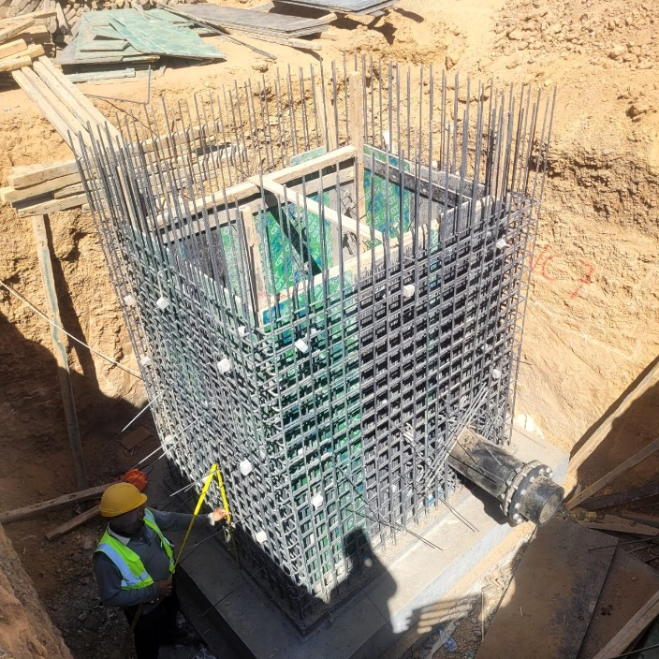
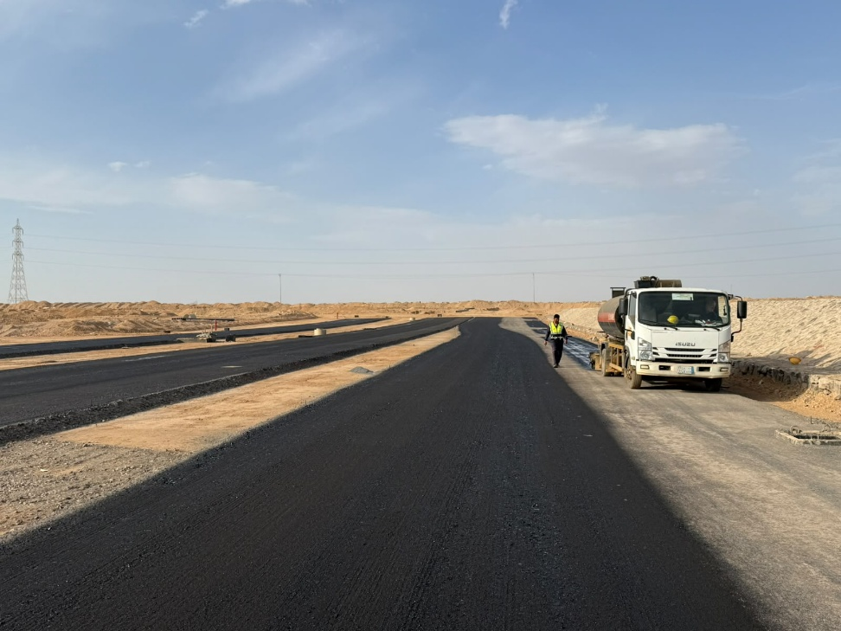
Date | 5-Oct-26

CATCH BASIN |  | SUGRADE
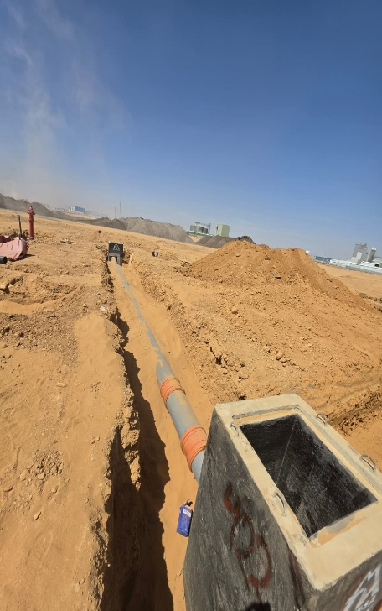
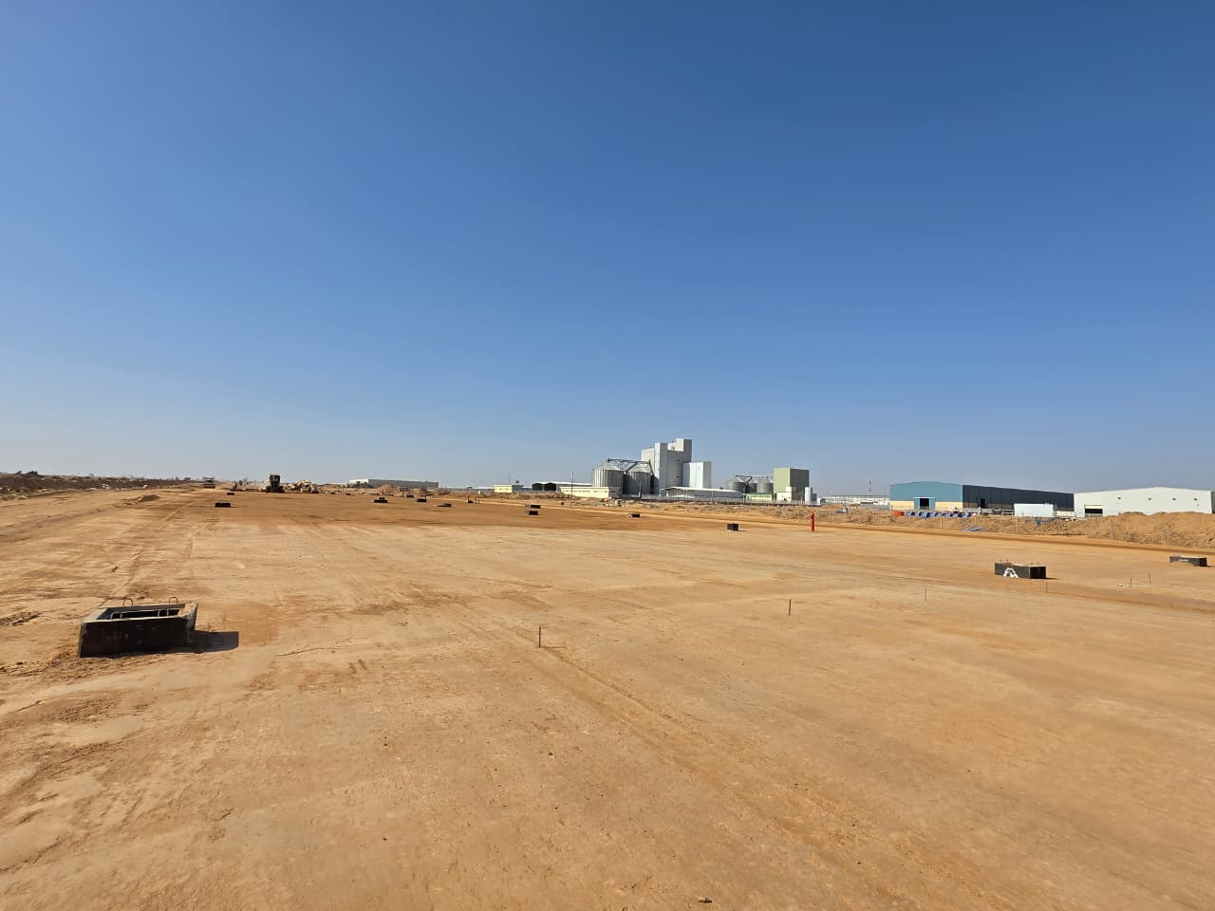

VALVE CHAMBER |  | MC1

Manpower
MANUAL MANPOWER HISTOGRAM
 | Plan - Monthly | Actual - Monthly | Forecast - Monthly
Sep-25 | 18 | 26
Oct-25 | 27 | 37
Nov-25 | 36 | 41
Dec-25 | 37 | 63
Jan-26 | 50 | 83
Feb-26 | 60 | 83
Mar-26 | 47 | 85
Apr-26 | 136 | 92
May-26 | 89 | 100
Jun-26 | 34 | 172
Jul-26 | 9 | 176
Aug-26 | 24 | 188
Sep-26 | 57 | 192
Oct-26 | 69 | 183
Nov-26 | 63 |  | 63
Dec-26 | 76 |  | 76
Jan-27 | 102 |  | 102
Feb-27 | 121 |  | 121
Mar-27 | 203 |  | 203
Apr-27 | 197 |  | 197
May-27 | 169 |  | 169
Jun-27 | 134 |  | 134
Jul-27 | 108 |  | 108
Aug-27 | 40 |  | 40
Sep-27 | 32 |  | 32
Head-Count ( Non Manual)
MONTHS | Sep-25 | Oct-25 | Nov-25 | Dec-25 | Jan-26 | Feb-26 | Mar-26 | Apr-26 | May-26 | Jun-26 | Jul-26 | Aug-26 | Sep-26 | Oct-26 | Nov-26 | Dec-26 | Jan-27 | Feb-27 | Mar-27 | Apr-27 | May-27 | Jun-27 | Jul-27 | Aug-27 | Sep-27
Plan - Monthly | 12 | 15 | 23 | 24 | 26 | 27 | 27 | 27 | 28 | 28 | 28 | 28 | 28 | 28 | 28 | 28 | 28 | 28 | 26 | 25 | 25 | 24 | 21 | 20 | 21
Planned - Cumulative | 12 | 27 | 50 | 74 | 100 | 127 | 154 | 181 | 209 | 237 | 265 | 293 | 321 | 349 | 377 | 405 | 433 | 461 | 487 | 512 | 537 | 561 | 582 | 602 | 623
Actual - Monthly | 10 | 9 | 11 | 20 | 21 | 20 | 24 | 24 | 24 | 31 | 31 | 32 | 33 | 35
Actual Cumulative | 10 | 19 | 30 | 50 | 71 | 91 | 115 | 139 | 163 | 194 | 225 | 257 | 290 | 325
Forecast - Monthly |  |  |  |  |  |  |  |  |  |  |  |  |  |  | 28 | 28 | 28 | 28 | 26 | 25 | 25 | 24 | 21 | 20 | 21
Saudi Monthly - Actual |  |  | 1
Head-Count (Manual)
MONTHS | Sep-25 | Oct-25 | Nov-25 | Dec-25 | Jan-26 | Feb-26 | Mar-26 | Apr-26 | May-26 | Jun-26 | Jul-26 | Aug-26 | Sep-26 | Oct-26 | Nov-26 | Dec-26 | Jan-27 | Feb-27 | Mar-27 | Apr-27 | May-27 | Jun-27 | Jul-27 | Aug-27 | Sep-27
Plan - Monthly | 18 | 27 | 36 | 37 | 50 | 60 | 47 | 136 | 89 | 34 | 9 | 24 | 57 | 69 | 63 | 76 | 102 | 121 | 203 | 197 | 169 | 134 | 108 | 40 | 32
Planned - Cumulative | 18 | 45 | 81 | 118 | 168 | 228 | 275 | 411 | 500 | 534 | 543 | 567 | 624 | 693 | 756 | 832 | 934 | 1055 | 1258 | 1455 | 1624 | 1758 | 1866 | 1906 | 1938
Actual - Monthly | 26 | 37 | 41 | 63 | 83 | 83 | 85 | 92 | 100 | 172 | 176 | 188 | 192 | 183
Actual Cumulative | 26 | 63 | 104 | 167 | 250 | 333 | 418 | 510 | 610 | 782 | 958 | 1146 | 1338 | 1521
Forecast - Monthly |  |  |  |  |  |  |  |  |  |  |  |  |  |  | 63 | 76 | 102 | 121 | 203 | 197 | 169 | 134 | 108 | 40 | 32
Saudi - Actual

Head-Count (Non-Manual) |  |  |  |  |  |  |  |  |  |  |  |  |  |  |  |  |  |  |  |  |  |  |  |  |  |  |  |  |  | Month | Oct-26 | Nov-26
Planned | Actual |  | Variance |  | Forecast Next Month |  | Saudi Staff
28 | 32 |  | 4 |  | 28 |  | 1

Head-Count (Manual) |  |  |  |  |  |  |  |  |  |  | Man Power by Trade
Planned | Actual |  | Variance |  | Forecast Next Month |  | Saudi Staff |  |  |  | Key Trade |  | General Labor |  | Milling |  | Carpenter |  | Plumber |  | OPERATOR |  | Steel Fixer |  | Driver | MASON | ELECTRICAN | Others | Total
57 | 192 |  | 135 |  | 63 |  | 0 |  |  |  | Plan |  | 13 |  | 1 |  |  |  | 5 |  | 19 |  |  |  | 18 |  | 1 | 28 | 85 |  | 110
 |  |  |  |  |  |  |  |  |  |  | Actual |  | 79 |  | 1 |  | 18 |  | 11 |  | 45 |  | 10 |  | 16 | 0 | 3 | 35 | 218

EQUIPMENT HISTOGRAM
 | Plan - Monthly | Actual - Monthly | Forecast - Monthly
Sep-25 | 16 | 27
Oct-25 | 24 | 31
Nov-25 | 31 | 35
Dec-25 | 27 | 53
Jan-26 | 39 | 63
Feb-26 | 49 | 60
Mar-26 | 31 | 59
Apr-26 | 71 | 59
May-26 | 43 | 58
Jun-26 | 22 | 73
Jul-26 | 8 | 75
Aug-26 | 17 | 75
Sep-26 | 38 | 70
Oct-26 | 32 | 62
Nov-26 | 29 |  | 29
Dec-26 | 45 |  | 45
Jan-27 | 57 |  | 57
Feb-27 | 68 |  | 68
Mar-27 | 94 |  | 94
Apr-27 | 71 |  | 71
May-27 | 46 |  | 46
Jun-27 | 36 |  | 36
Jul-27 | 32 |  | 32
Aug-27 | 15 |  | 15
Sep-27 | 5 |  | 5

Equipment
MONTHS | Sep-25 | Oct-25 | Nov-25 | Dec-25 | Jan-26 | Feb-26 | Mar-26 | Apr-26 | May-26 | Jun-26 | Jul-26 | Aug-26 | Sep-26 | Oct-26 | Nov-26 | Dec-26 | Jan-27 | Feb-27 | Mar-27 | Apr-27 | May-27 | Jun-27 | Jul-27 | Aug-27 | Sep-27
Plan - Monthly | 16 | 24 | 31 | 27 | 39 | 49 | 31 | 71 | 43 | 22 | 8 | 17 | 38 | 32 | 29 | 45 | 57 | 68 | 94 | 71 | 46 | 36 | 32 | 15 | 5
Planned - Cumulative | 16 | 40 | 71 | 98 | 137 | 186 | 217 | 288 | 331 | 353 | 361 | 378 | 416 | 448 | 477 | 522 | 579 | 647 | 741 | 812 | 858 | 894 | 926 | 941 | 946
Actual - Monthly | 27 | 31 | 35 | 53 | 63 | 60 | 59 | 59 | 58 | 73 | 75 | 75 | 70 | 62
Actual Cumulative | 27 | 58 | 93 | 146 | 209 | 269 | 269 | 269 | 269 | 269 | 269 | 269 | 269 | 269
Forecast - Monthly |  |  |  |  |  |  |  |  |  |  |  |  |  |  | 29 | 45 | 57 | 68 | 94 | 71 | 46 | 36 | 32 | 15 | 5

Equipment Count
Planned | Actual |  | Idle |  | Variance |  | Forecast Next Month
38 | 70 |  | 5 |  | 32 |  | 29

Type | Excavator |  | Loader |  | Dozer |  | Dump truck |  | Water tanker |  | SCREEN |  | TRAILLER |  | MILLING MACHINE |  | Grader |  | PAVER BASE COURSE |  | Desil tanker |  | BOBCAT |  | PAVER ASPHALT | JCP | Roller | MC DRIVER | Total
Plan | 15 |  | 1 |  | 1 |  | 16 |  | 2 |  | 0 |  | 0 |  | 1 |  | 1 |  | 0 |  | 0 |  |  |  | 0 |  | 1 | 0 | 38
Actual | 24 |  | 3 |  | 1 |  | 10 |  | 3 |  | 2 |  | 2 |  | 1 |  | 2 |  | 1 |  | 1 |  | 1 |  | 0 | 3 | 9 | 0 | 63
Idle |  |  |  |  | 0 |  |  |  |  |  |  |  |  |  |  |  |  |  | 1 |  |  |  |  |  | 0 |  |  |  | 1

